Risk Log
[INSERT PROJECT TITLE]
RISK LOG

[MONTH YEAR]

Risk # | Date raised | Category (e.g. data, engagement) | Risk description ("there is a risk of 'x' because of 'y' resulting in 'z'") | Impact (use drop down list) | Likelihood (use drop down list) | Risk rating (calculates automatically) | Mitigations (corrective measures to reduce the impact of a risk event if it does occur) | Controls (preventative measures to reduce the likelihood of the risk event occurring) | Status (use drop down list) | Risk manager | Risk owner | Comments
1
2
3
4
5
6
7
8
9
10
11
12
13
14
15
16
17
18
19
20

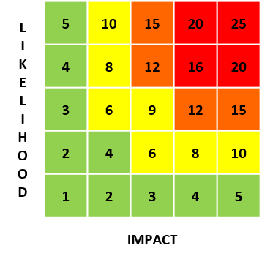
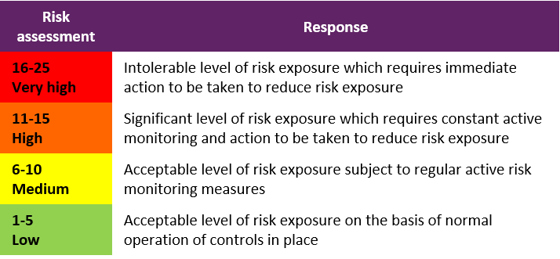
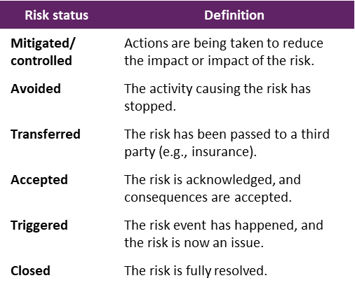

Issue Log
[INSERT PROJECT TITLE]
ISSUE LOG

[MONTH YEAR]

Issue # | Date raised | Category (e.g. data, engagement) | Issue description (the problem, its cause, and potential impact) | Priority (use drop down list) | Impact (use drop down list) | Issue response (action taken to resolve the issue) | Status (use drop down list) | Issue manager | Issue owner | Date resolved | Learning | Comments
1
2
3
4
5
6
7
8
9
10
11
12
13
14
15
16
17
18
19
20

